ABA recommended units
Q: Do the combined units for modifiers under the same service code contribute to a single Medicaid maximum number of units?
A: Yes. Please see copy/paste from waiver manual below.
· Behavior Identification Assessment: A unit is 15 minutes. Limited to 32 units per year.
· Behavior Identification Supporting Assessment-Exposure: A unit is 15 minutes. Limited to 32 units per day, 100 units per year.
· Behavior Identification Supporting Assessment - Observational: A unit is 15 minutes. Limited to 16 units per day, 50 units per week, and 100 units per year.
· Adaptive Behavior Treatment by Protocol by Technician: A unit is 15 minutes. Limited to 32 units per day, 160 units per week, and 600 units per month.
· Adaptive Behavior Treatment with Protocol Modification: A unit is 15 minutes. Limited to 32 units per day, 120 units per week, and 270 units per month.
· Exposure Adaptive Behavior Treatment with Protocol Modification: A unit is 15 minutes. Limited to 34 units per day, 130 units per week, and 320 units per month.
· Family Adaptive Behavior Treatment Guidance, 15 minute unit: 40 units per month. In addition, no more than 8 family members/guardians/caregivers can be present for a unit to be billed. This service can be concurrent to any of the other treatment services.
Adaptive Behavior Treatment Social Skills Group, 15 minute unit: limited to 6 units per day, 30 units per week and 60 units per month. In addition, no more than 8 individuals can be present for a unit to be billed. This service can be concurrent to any of the other treatmen
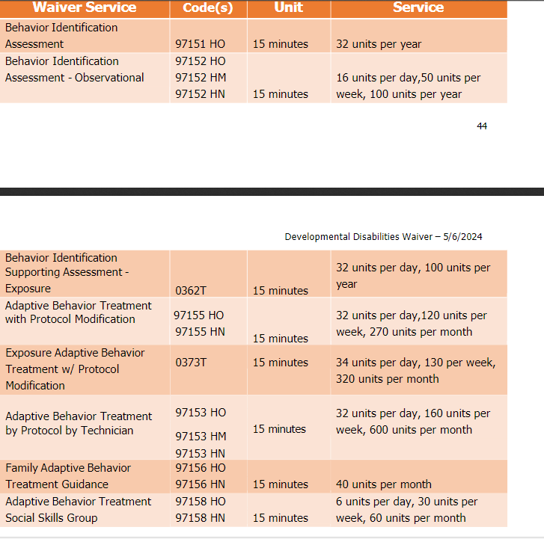
t services

